Sourcecode
case 1

1
2
3
41
5
6
7
81
9
10
11
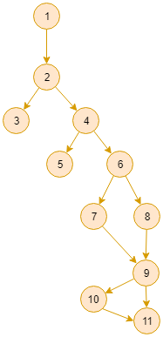

case 2
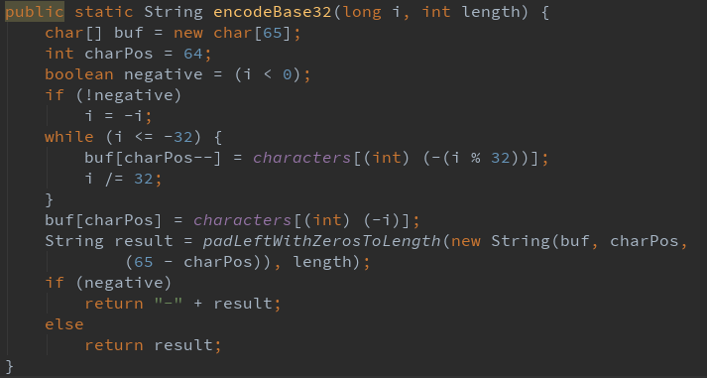
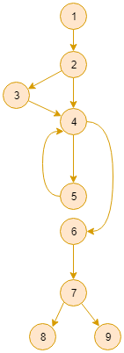
1

2
3
41
5

6

7
81

9

case 3
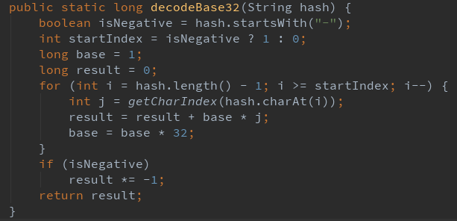
1

41
2

3

5
6

7

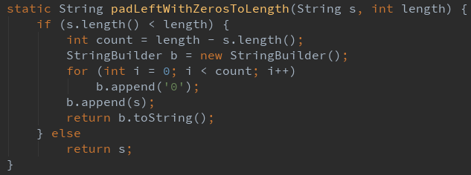
case 4
1

2
3
41
5
6

7

2
3
case 5

1
41
5
81
6
7

9

